Figure 1
Figure 1 Global major oilseed production and crush
 | Production
Production Marketing year | Cottonseed | Peanut | Rapeseed | Soybean | Sunflowerseed | Other | Total crush
2015/16 | 36 | 41 | 69 | 316 | 41 | 21 | 446
2016/17 | 39 | 46 | 70 | 351 | 48 | 23 | 469
2017/18 | 45 | 47 | 76 | 344 | 48 | 25 | 484
2018/19 | 42 | 47 | 73 | 364 | 50 | 26 | 489
2019/20 | 43 | 48 | 70 | 341 | 54 | 25 | 508
2020/21 | 42 | 50 | 75 | 369 | 49 | 25 | 512
2021/22 | 41 | 52 | 76 | 360 | 57 | 25 | 512
2022/23 | 42 | 50 | 89 | 378 | 53 | 26 | 525
2023/24* | 41 | 50 | 88 | 397 | 55 | 27 | 544
2024/25* | 43 | 51 | 88 | 422 | 55 | 27 | 561

Figure 2
Figure 2 Brazil's soybean production, crush, and exports
Local year (January-December) | Crush | Exports | Production
2013 | 37,622 | 45,692 | 86,200
2014 | 40,556 | 54,324 | 97,100
2015 | 39,531 | 51,582 | 95,700
2016 | 41,837 | 68,155 | 114,900
2017 | 43,556 | 83,258 | 123,400
2018 | 43,454 | 74,073 | 120,500
2019 | 46,845 | 82,973 | 128,500
2020 | 47,781 | 86,110 | 139,500
2021 | 50,932 | 78,730 | 130,500
2022 | 54,165 | 101,870 | 162,000
2023* | 54,000 | 98,000 | 154,000
2024* | 54,500 | 109,000 | 169,000

Figure 3
Figure 3 Global major vegetable oil stocks
Marketing year | Palm oil | Rapeseed oil | Soybean oil | Sunflowerseed oil
2014/15 | 10.8 | 6.7 | 4.8 | 2.6
2015/16 | 8.6 | 5.7 | 4.2 | 2.0
2016/17 | 10.4 | 4.2 | 4.4 | 2.6
2017/18 | 13.0 | 3.4 | 4.5 | 2.6
2018/19 | 15.0 | 3.0 | 4.8 | 2.4
2019/20 | 15.9 | 2.9 | 5.7 | 3.0
2020/21 | 15.1 | 3.7 | 5.9 | 2.0
2021/22 | 16.4 | 2.6 | 5.1 | 2.6
2022/23 | 17.8 | 3.1 | 5.0 | 3.2
2023/24* | 17.7 | 3.4 | 5.3 | 2.7
2024/25* | 16.7 | 2.8 | 5.3 | 2.5

Figure SA-1
Figure SA-1 U.S. soybean seeding rate and row width
Year | Seeding rate | Row width
1997 | 200,780 | 17
2002 | 192,399 | 16
2006 | 175,068 | 18
2012 | 164,675 | 20
2018 | 157,442 | 20

Figure SA-2
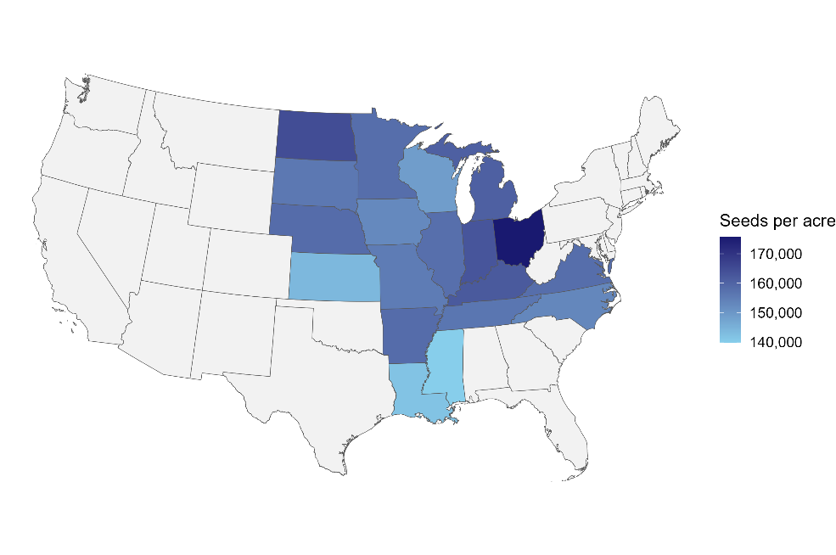
Figure SA-2
Soybean seeding rates by State, 2018
State | Seeding rate (seeds per acre)
MISSISSIPPI | 139,844
LOUISIANA | 141,752
KANSAS | 143,875
WISCONSIN | 148,829
IOWA | 152,642
NORTH CAROLINA | 153,184
MISSOURI | 155,331
SOUTH DAKOTA | 156,108
TENNESSEE | 156,505
ILLINOIS | 157,802
MINNESOTA | 158,019
VIRGINIA | 158,094
NEBRASKA | 158,397
Note: Grey areas include States for which no data are available. Hawaii and Alaska are excluded as data are not available.
Source: USDA, Economic Research Service (ERS) estimates based on the 2018 Agricultural Resource Management Survey (ARMS), jointly administered by USDA, ERS and USDA, National Agricultural Statistics Service.
ARKANSAS | 158,401
MICHIGAN | 160,881
KENTUCKY | 162,121
INDIANA | 162,979
NORTH DAKOTA | 164,640
OHIO | 175,694

Figure SA-3
Year | Drilled or broadcast | Planted in conventional rows | Year | Drilled or broadcast | Planted in conventional rows
1997 | 51 | 49 | 1997 | 226,212.45 | 173,837.51
2018 | 26 | 74 | 2018 | 167,760.19 | 153,757.79

Figure SA-3a Soybean planting method
Figure SA-3b Soybean seeding rate by planting method

Figure SA-4
Figure SA-4 Soybean seed cost
Year | Seed cost
1997 | 19.72
1998 | 20.46
1999 | 19.25
2000 | 19.18
2001 | 22.59
2002 | 25.45
2003 | 27.42
2004 | 29.71
2005 | 32.62
2006 | 32.30
2007 | 39.77
2008 | 44.35
2009 | 55.26
2010 | 59.20
2011 | 55.55
2012 | 55.32
2013 | 58.18
2014 | 58.78
2015 | 59.21
2016 | 58.79
2017 | 58.07
2018 | 62.39
2019 | 60.93
2020 | 60.99
2021 | 63.21
2022 | 71.09
2023 | 71.03

Figure SA-5
Figure SA-5 U.S. soybean seeding rate, MY 2002/03–2024/25
Marketing year | Seeding rate (seeds per acre) | Seeding rate (bushels per acre) | Planted acres (Million acres) | Seed use (Million bushels)
2001/02 | - | - | 74.08 | 88.05
2002/03 | 200,000.00 | 1.19 | 73.96 | 85.20
2003/04 | 195,000.00 | 1.16 | 73.40 | 85.06
2004/05 | 190,000.00 | 1.13 | 75.21 | 79.32
2005/06 | 185,000.00 | 1.10 | 72.03 | 80.92
2006/07 | 180,000.00 | 1.07 | 75.52 | 68.59
2007/08 | 178,000.00 | 1.06 | 64.74 | 79.32
2008/09 | 176,000.00 | 1.05 | 75.72 | 80.22
2009/10 | 174,000.00 | 1.04 | 77.45 | 79.25
2010/11 | 172,000.00 | 1.02 | 77.40 | 75.94
2011/12 | 170,000.00 | 1.01 | 75.05 | 78.12
2012/13 | 170,000.00 | 1.01 | 77.20 | 76.82
2013/14 | 168,000.00 | 1.00 | 76.82 | 82.30
2014/15 | 166,000.00 | 0.99 | 83.30 | 80.69
2015/16 | 164,000.00 | 0.98 | 82.66 | 80.47
2016/17 | 162,000.00 | 0.96 | 83.45 | 85.87
2017/18 | 160,000.00 | 0.95 | 90.16 | 84.92
2018/19 | 160,000.00 | 0.95 | 89.17 | 71.12
2019/20 | 157,000.00 | 0.93 | 76.10 | 77.40
2020/21 | 156,000.00 | 0.93 | 83.35 | 79.93
2021/22 | 154,000.00 | 0.92 | 87.20 | 79.12
2022/23 | 152,000.00 | 0.90 | 87.45 | 74.64
2023/24 | 150,000.00 | 0.89 | 83.60 | 77.24
2024/25* | 150,000.00 | 0.89 | 86.51 | 78.00

Figure SA-6
Figure SA-6 U.S. soybean seed and residual use revisions, MY 2001/02–2024/25
 | New seed use | Old seed use | New residual | Old residual
2001/02 | 88.05 | 87.52 | 81.24 | 81.77
2002/03 | 85.20 | 87.00 | 46.17 | 44.37
2003/04 | 85.06 | 89.27 | 24.01 | 19.80
2004/05 | 79.32 | 85.78 | 113.48 | 107.03
2005/06 | 80.92 | 88.74 | 118.48 | 110.65
2006/07 | 68.59 | 75.91 | 88.48 | 81.16
2007/08 | 79.32 | 88.72 | 14.20 | 4.80
2008/09 | 80.22 | 90.00 | 25.68 | 15.90
2009/10 | 79.25 | 89.86 | 32.85 | 22.23
2010/11 | 75.94 | 87.13 | 52.71 | 41.52
2011/12 | 78.12 | 89.63 | 11.50 | (0.01)
2012/13 | 76.82 | 89.19 | 18.03 | 5.66
2013/14 | 82.30 | 96.71 | 22.48 | 8.08
2014/15 | 80.69 | 95.97 | 66.81 | 51.53
2015/16 | 80.47 | 96.89 | 34.89 | 18.46
2016/17 | 85.87 | 104.68 | 60.29 | 41.48
2017/18 | 84.92 | 103.53 | 23.35 | 4.74
2018/19 | 71.12 | 88.36 | 38.72 | 21.48
2019/20 | 77.40 | 96.78 | 28.13 | 8.75
2020/21 | 79.93 | 101.24 | 31.40 | 10.10
2021/22 | 79.12 | 101.53 | 27.88 | 5.47
2022/23 | 74.64 | 97.06 | 26.71 | 4.29
2023/24 | 77.24 | 100.44 | 36.52 | 13.32
2024/25 | 78.00 |  | 32.00
Marketing year | New seed use | Old seed use | New residual | Old residual
2001/02 | 88.05 | 87.52 | 81.24 | 81.77
2002/03 | 85.20 | 87.00 | 46.17 | 44.37
2003/04 | 85.06 | 89.27 | 24.01 | 19.80
2004/05 | 79.32 | 85.78 | 113.48 | 107.03
2005/06 | 80.92 | 88.74 | 118.48 | 110.65
2006/07 | 68.59 | 75.91 | 88.48 | 81.16
2007/08 | 79.32 | 88.72 | 14.20 | 4.80
2008/09 | 80.22 | 90.00 | 25.68 | 15.90
2009/10 | 79.25 | 89.86 | 32.85 | 22.23
2010/11 | 75.94 | 87.13 | 52.71 | 41.52
2011/12 | 78.12 | 89.63 | 11.50 | (0.01)
2012/13 | 76.82 | 89.19 | 18.03 | 5.66
2013/14 | 82.30 | 96.71 | 22.48 | 8.08
2014/15 | 80.69 | 95.97 | 66.81 | 51.53
2015/16 | 80.47 | 96.89 | 34.89 | 18.46
2016/17 | 85.87 | 104.68 | 60.29 | 41.48
2017/18 | 84.92 | 103.53 | 23.35 | 4.74
2018/19 | 71.12 | 88.36 | 38.72 | 21.48
2019/20 | 77.40 | 96.78 | 28.13 | 8.75
2020/21 | 79.93 | 101.24 | 31.40 | 10.10
2021/22 | 79.12 | 101.53 | 27.88 | 5.47
2022/23 | 74.64 | 97.06 | 26.71 | 4.29
2023/24 | 77.24 | 100.44 | 36.52 | 13.32
2024/25 | 78.00 |  | 32.00

